Programming Cable Definition
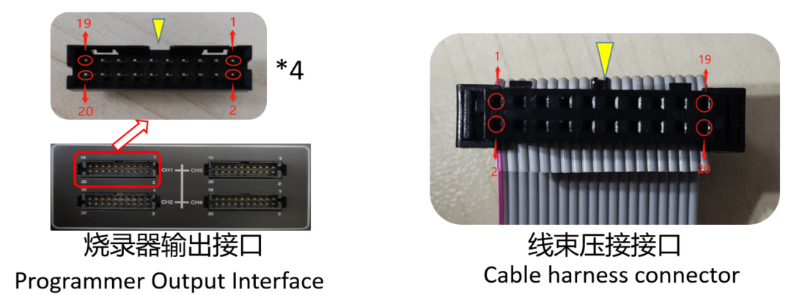
烧录线示意图 Schematic diagram of the cable | SG400烧录线信号定义（Programming Cable Definition）
 | NO | JTAG_1* | JTAG_2* | JTAG_3* | DAP | 单线BDM 1-Wire BDM | SPI | 双线UART 2-Wire UART | MDI | HCS | ICSP | SWD | CSI | I2C | 单线UART 1-Wire UART | 双线JTAG 2-Wire JTAG | SSIO1 | SWIM | C2 | FICE | CJTAG
 | 20 | TCK | TCK | TCK | DAP0 | BKGD | SCK | TXD | MSCL | CLK | ICSP_CLK | SWDCLK | SCK/TCK | SCL | TOOL0 | TCK | SCK | SWIM | C2CK | FICEK | TCK
 | 19 | GND | GND | GND | GND | GND | GND | GND | GND | GND | GND | GND | GND | GND | GND | GND | GND | GND | GND | GND | GND
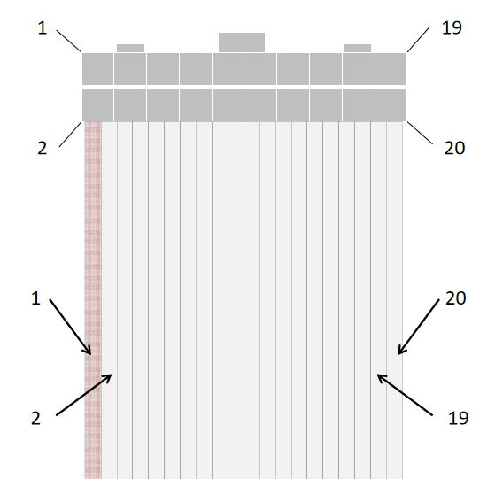
 | 18 | TMS | TMS | TMS | DAP1 | RESET | CS | RXD | MSDA | DAT | ICSP_DAT | SWDDIO | / | SDA | RESET | TDA | HS/BUSY/CTS1 | RESETN | C2D | FICED | TMS
 | 17 | GND | GND | GND | GND | GND | GND | GND | GND | GND | GND | GND | GND | GND | GND | GND | GND | GND | GND | GND | GND
 | 16 | TDI | TDI | TDI | DAP2 |  | IO0/SI/D0 | RESET |  |  |  |  | SO/TXD/TDI | IO0 |  |  | TXD
 | 15 | GND | GND | GND | GND | GND | GND | GND | GND | GND | GND | GND | GND | GND | GND | GND | GND | GND | GND | GND | GND
 | 14 | TDO | TDO | TDO | TRST |  | IO1/SO/D1 | FLMD0 | PORT |  |  |  | SI/RXD/TDO |  |  |  | RXD
 | 13 | GND | GND | GND | GND | GND | GND | GND | GND | GND | GND | GND | GND | GND | GND | GND | GND | GND | GND | GND | GND
 | 12 | RESET | TRST | RESET | PORST |  | IO2/WP/D2 |  |  |  |  | RESET | RESET |  |  | TST/TMODE | RESET/IO0 |  |  |  | RESET
 | 11 | GND | GND | GND | GND | GND | GND | GND | GND | GND | GND | GND | GND | GND | GND | GND | GND | GND | GND | GND | GND
 | 10 |  | RESET | JCOMP |  |  | IO3/HOLD/D3 |  |  |  |  |  | FLMD0 |  |  | NRST | IO1
 | 9 | GND | GND | GND | GND | GND | GND | GND | GND | GND | GND | GND | GND | GND | GND | GND | GND | GND | GND | GND | GND
 | 8 | / | / | / | / | / | / | / | / | / | / | / | / | / | / | / | IO2 | / | / | / | /
 | 7 | GND | GND | GND | GND | GND | GND | GND | GND | GND | GND | GND | GND | GND | GND | GND | GND | GND | GND | GND | GND
 | 6 | VCC | VCC | VCC | VCC | VCC | VCC | VCC | VCC | VCC | VCC | VCC | VCC | VCC | VCC | VCC | VCC | VCC | VCC | VCC | VCC
 | 5 | VCC | VCC | VCC | VCC | VCC | VCC | VCC | VCC | VCC | VCC | VCC | VCC | VCC | VCC | VCC | VCC | VCC | VCC | VCC | VCC
 | 4 | / | / | / | / | / | / | / | / | / | / | / | / | / | / | / | / | / | / | / | /
 | 3 | / | / | / | / | / | / | / | / | / | / | / | / | / | / | / | / | / | / | / | /
 | 2 |  |  |  |  |  |  |  |  |  | VPP |  |  |  |  | VPP
 | 1 |  |  |  |  |  |  |  |  |  | VPP |  |  |  |  | VPP
 |  |  | JTAG_1：适用于只有TCK、TMS、TDI、TDO、RESET信号的情况 |  |  |  |  |  |  |  |  |  | JTAG_1: It is applicable to the case where only TCK, TMS, TDI, TDO, RESET signals are available
 |  |  | JTAG_2：适用于只有TCK、TMS、TDI、TDO、TRST、RESET信号的情况 |  |  |  |  |  |  |  |  |  | JTAG_2: It is applicable to the case where only TCK, TMS, TDI, TDO, TRST, RESET signals are available
 |  |  | JTAG_3：适用于只有TCK、TMS、TDI、TDO、RESET、JCOMP信号的情况 |  |  |  |  |  |  |  |  |  | JTAG_3: It is applicable to the case where only TCK,TMS,TDI,TDO,RESET,JCOMP signals are available
 |  |  | 烧录线中的每一根GND都需要接到目标板，以减少信号之间的干扰 |  |  |  |  |  |  |  |  |  | Each GND in the programmer wire needs to be connected to the target board to reduce the interference between the signals
 |  |  | 部分芯片的信号定义与该表不一致，请以烧录管理软件界面的信号接线定义为准 |  |  |  |  |  |  |  |  |  | The PIN Map for certain devices do not align with the table; please consult the PIN Map provided in the interface of the OpteeQ Control Pannel

